Bike Purchased By Age Group
Count of Purchased Bike | Column Labels
Row Labels | Adolescent | Middle Age | Old | Grand Total
Europe | 32 | 223 | 45 | 300
North America | 57 | 346 | 105 | 508
Pacific | 21 | 132 | 39 | 192
Grand Total | 110 | 701 | 189 | 1000

Bike Purchased by Age Group

Commute Distance By Occupation
Count of Commute Distance | Column Labels
Row Labels | Clerical | Management | Manual | Professional | Skilled Manual | Grand Total
0-1 Miles | 109 | 44 | 71 | 60 | 82 | 366
1-2 Miles | 30 | 30 | 27 | 27 | 55 | 169
2-5 Miles | 15 | 23 | 19 | 73 | 32 | 162
5-10 Miles | 23 | 35 | 2 | 56 | 76 | 192
More than 10 Miles |  | 41 |  | 60 | 10 | 111
Grand Total | 177 | 173 | 119 | 276 | 255 | 1000

Commute Distance by Occupation
 | Clerical | Management | Manual | Professional | Skilled Manual
0-1 Miles | 109 | 44 | 71 | 60 | 82
1-2 Miles | 30 | 30 | 27 | 27 | 55
2-5 Miles | 15 | 23 | 19 | 73 | 32
5-10 Miles | 23 | 35 | 2 | 56 | 76
More than 10 Miles |  | 41 |  | 60 | 10

Car - Age Bracket
Row Labels | Count of Purchased Bike
$10,000 | 73
$20,000 | 74
$30,000 | 135
Income - Purchase Pattern
$40,000 | 154
$50,000 | 40
$60,000 | 165
$70,000 | 124
$80,000 | 91
$90,000 | 39
$100,000 | 29
$110,000 | 16
$120,000 | 18
$130,000 | 32
$150,000 | 4
$160,000 | 3
$170,000 | 3
Grand Total | 1000

Age Bracket - Commute Distance
Count of Commute Distance | Column Labels
Row Labels | 0-1 Miles | 1-2 Miles | 2-5 Miles | 5-10 Miles | More than 10 Miles | Grand Total
Adolescent | 39 | 16 | 15 | 37 | 3 | 110
Middle Age | 298 | 128 | 121 | 106 | 48 | 701
Old | 29 | 25 | 26 | 49 | 60 | 189
Grand Total | 366 | 169 | 162 | 192 | 111 | 1000
Age Bracket Wise Commute Distance

Region Sales
Row Labels | Count of Purchased Bike
Europe | 300
North America | 508
Pacific | 192
Grand Total | 1000
Region Sales in Thousands

Dashboard
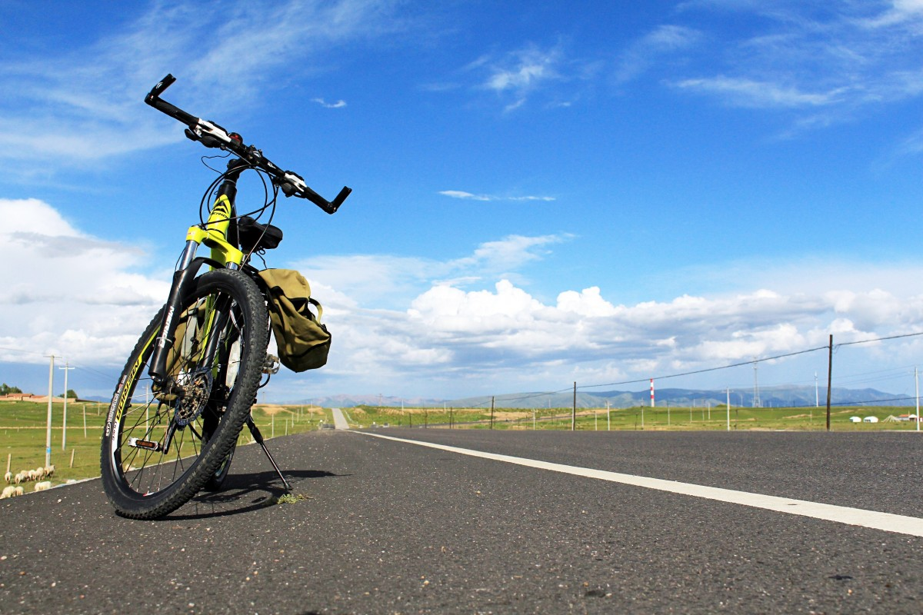
Bike Sales Dashboard

Commute Distance by Occupation
 | Clerical | Management | Manual | Professional | Skilled Manual
0-1 Miles | 109 | 44 | 71 | 60 | 82
1-2 Miles | 30 | 30 | 27 | 27 | 55
2-5 Miles | 15 | 23 | 19 | 73 | 32
5-10 Miles | 23 | 35 | 2 | 56 | 76
More than 10 Miles |  | 41 |  | 60 | 10
Bike Purchased by Age Group
 | Adolescent | Middle Age | Old
Europe | 32 | 223 | 45
North America | 57 | 346 | 105
Pacific | 21 | 132 | 39
Region Sales in Thousands
 | Total
Europe | 300
North America | 508
Pacific | 192

Age Bracket Wise Commute Distance
 | 0-1 Miles | 1-2 Miles | 2-5 Miles | 5-10 Miles | More than 10 Miles
Adolescent | 39 | 16 | 15 | 37 | 3
Middle Age | 298 | 128 | 121 | 106 | 48
Old | 29 | 25 | 26 | 49 | 60

Income - Purchase Pattern
 | Total
$10,000 | 73
$20,000 | 74
$30,000 | 135
$40,000 | 154
$50,000 | 40
$60,000 | 165
$70,000 | 124
$80,000 | 91
$90,000 | 39
$1,00,000 | 29
$1,10,000 | 16
$1,20,000 | 18
$1,30,000 | 32
$1,50,000 | 4
$1,60,000 | 3
$1,70,000 | 3

